data
PLC INPUT & OUTPUT STATUS |  |  |  |  |  | Background conversion (16 bit binary conversion)
 | Input |  | Output |  |  | INPUT ADDRESS |  |  | OUTPUT ADDRESS
Sr. No. | Description | Status | Description | Status
1 | Start pushbutton -1 | X0 | Marking Start | Y0 |  | X0 | d1400.0 |  | Y0 | d1404.0
2 | Start pushbutton - 2 | X1 | Scanner Trigger | Y1 |  | X1 | d1400.1 |  | Y1 | d1404.1
3 | Emergency Stop push button | X2 | OCR Camera Trigger | Y2 |  | X2 | d1400.2 |  | Y2 | d1404.2
4 | Safety Sensor | X3 |  | Y2 |  | X3 | d1400.3 |  | Y3 | d1404.3
5 | Marking Complete | X4 |  | Y4 |  | X4 | d1400.4 |  | Y4 | d1404.4
6 | Part Presence | X5 |  | Y5 |  | X5 | d1400.5 |  | Y5 | d1404.5
7 | Scanner Read OK | X6 |  | Y6 |  | X6 | d1400.6 |  | Y6 | d1404.6
8 | Read OCR OK | X7 |  | Y7 |  | X7 | d1400.7 |  | Y7 | d1404.7
9 | Spare | X10 | Tower Light Red | Y10 |  | X8 | d1400.8 |  | Y10 | d1404.8
10 | Spare | X11 | Tower Light Green | Y11 |  | X9 | d1400.9 |  | Y11 | d1404.9
11 | Spare | X12 | Tower Light Yellow | Y12 |  | X10 | d1400.10 |  | Y12 | d1404.10
12 | Spare | X13 | Work Light | Y13 |  | X11 | d1400.11 |  | Y13 | d1404.11
13 | Spare | X14 |  | Y14 |  | X12 | d1400.12 |  | Y14 | d1404.12
14 | Spare | X15 |  | Y15 |  | X13 | d1400.13 |  | Y15 | d1404.13
15 | Spare | X16 |  | Y16 |  | X14 | d1400.14 |  | Y16 | d1404.14
16 | Spare | X17 |  | Y17 |  | X15 | d1400.15 |  | Y17 | d1404.15

 | if d1400.0 = 1 X0 colour should be green else red

 |  |  |  |  |  |  |  |  |  |  | Manual Mode Screen
SHOFTWARE AND PLC INPUT & OUTPUT STATUS |  |  |  |  |  | Background conversion (16 bit binary conversion)
 | Input |  | Output |  |  | INPUT ADDRESS |  |  | OUTPUT ADDRESS |  | Marking Start | Servo OCR Position
Sr. No. | Description | Status | Description | Status
1 | scanner data recive ok | ON | Marking start | ON |  | 1 | d1410.0 |  | Y0 | d1414.0
2 | data sent to laser text file | ON | Scanner Trigger | ON |  | 2 | d1410.1 |  | Y1 | d1414.1
3 | Spare | OFF | OCR Trigger | OFF |  | 3 | d1410.2 |  | Y2 | d1414.2 | Scanner Trigger | Servo Marking Position
4 | Spare | ON | Work Light | ON |  | 4 | d1410.3 |  | Y3 | d1414.3
5 | Spare | ON | Servo home | ON |  | 5 | d1410.4 |  | Y4 | d1414.4
6 | Spare | ON | Servo Scanner position | ON |  | 6 | d1410.5 |  | Y5 | d1414.5
7 | Spare | OFF | Servo OCR Position | OFF |  | 7 | d1410.6 |  | Y6 | d1414.6 | OCR Trigger | Spare
8 | Spare | ON | Servo Marking Position | ON |  | 8 | d1410.7 |  | Y7 | d1414.7
9 | Spare | OFF | result ok | OFF |  | 9 | d1410.8 |  | Y10 | d1414.8
10 | Spare | ON | result ng | ON |  | 10 | d1410.9 |  | Y11 | d1414.9
11 | Spare | ON | Spare | ON |  | 11 | d1410.10 |  | Y12 | d1414.10 | Servo Home | Spare
12 | Spare | OFF | Spare | OFF |  | 12 | d1410.11 |  | Y13 | d1414.11
13 | Spare | OFF | Spare | OFF |  | 13 | d1410.12 |  | Y14 | d1414.12
14 | Spare | OFF | Spare | OFF |  | 14 | d1410.13 |  | Y15 | d1414.13
15 | Spare | OFF | Spare | OFF |  | 15 | d1410.14 |  | Y16 | d1414.14 | Servo Scanner Position | Spare
16 | Spare | ON | Spare | ON |  | 16 | d1410.15 |  | Y17 | d1414.15

OCR Data |  |  |  |  |  |  | data register | len
 | Component data |  | Component data scan by camera |  |  |  | d1450 | 15

input by user | ABCD12345 |  | ABCD12345

 | if both data are same program run , else wait for ok data and showing msg(OCR data mismatch)

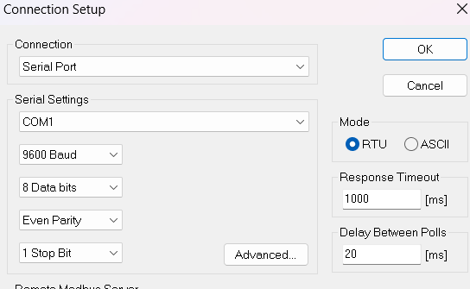
Scanner Setting
 |  |  | input by user

PLC setting
 |  |  | input by user

 | Marking Grad
 | A | A | input by user
 | B |  |  |  | set in gui A grad but showing in scanner data b or c data save in required with ng
 | C

Shift Setting
1 | A | 6:00:00 | input by user
2 | B | 14:30:00
3 | C | 11:00:00

